Sheet1
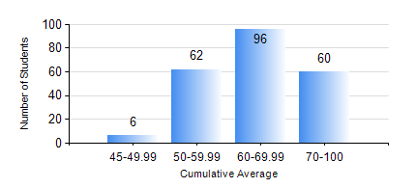
 |  |  | KWAME NKRUMAH UNIVERSITY OF SCIENCE AND TECHNOLOGY, KUMASI Department of Civil Engineering

 |  |  | BSC. CIVIL ENG.

 |  |  | COMPREHENSIVE RECORD OF EXAMINATION RESULTS

 |  |  | RESULTS OF YEAR 3 SECOND SEMESTER, 2020/2021 ACADEMIC YEAR

 | Sn | Course Code |  | Course Name | Credit Hours | Min. Mark | Max. Mark | Avg. Mark | Std. Dev. | No. Passed | No. Trailed | No. (Df) | No. (I) | No. (I*) | No. Tagged(I,I*,Df) | Total
 | 0. |  |  |  |  |  |  | 0 | 0 | 0 | 0 | 0 | 0 | 0 | 0 | 8
 | 1. | CE 352 |  | STEEL AND TIMBER DESIGN | 3 | 36 | 83 | 66 | 8.76 | 215 | 1 | 0 | 0 | 0 | 0 | 216
 | 2. | CE 356 |  | HYDRAULIC ENGINEERING | 3 | 18 | 93 | 68 | 13.75 | 210 | 6 | 0 | 0 | 0 | 0 | 216
 | 3. | CE 360 |  | FOUNDATION ENGINEERING | 3 | 20 | 81 | 55 | 12.15 | 199 | 17 | 0 | 0 | 0 | 0 | 216
 | 4. | CE 364 |  | ENVIRONMENTAL QUALITY ENGINEERING | 3 | 33 | 94 | 59 | 13.9 | 212 | 4 | 0 | 0 | 0 | 0 | 216
 | 5. | CE 368 |  | HIGHWAY ENGINEERING | 3 | 36 | 81 | 64 | 9 | 215 | 1 | 0 | 0 | 0 | 0 | 216
 | 6. | CE 376 |  | CIVIL ENGINEERING QUANTITIES | 2 | 15 | 95 | 58 | 15.98 | 198 | 18 | 0 | 0 | 0 | 0 | 216
 | 7. | CE 378 |  | INTEGRATED DESIGN | 2 | 56 | 70 | 62 | 3.42 | 216 | 0 | 0 | 0 | 0 | 0 | 216

